Equation Algorithm Mapping
 | Chapter 3
Problem Statement/ Research Questions | Equation 1 | Equation 2 | Equation 3 | Equation 4 | Algorithm 1 | Algorithm 2 | Algorithm 3 | Algorithm 4

PERSAMAAN 1 :

PERSAMAAN 2 :

PERSAMAAN 3 :

PERSAMAAN 4 :

PERSAMAAN 5 :

PERSAMAAN 6 :

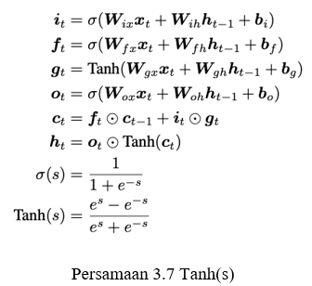
PERSAMAAN 7 :

PERSAMAAN 8 :

PERSAMAAN 9 :

PERSAMAAN 10 :

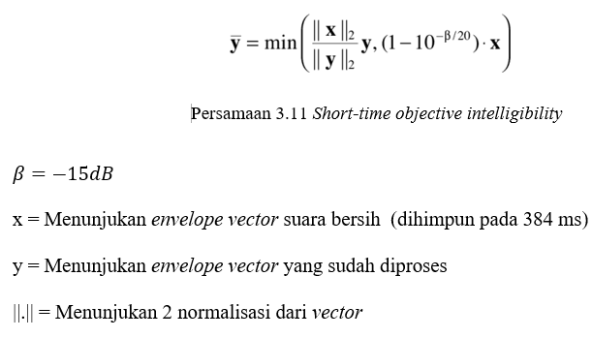
PERSAMAAN 11 :

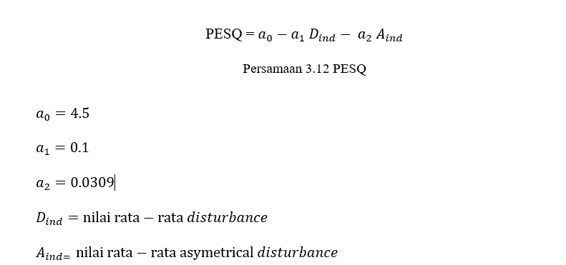
PERSAMAAN 12 :

